Summary
Market Report on Import to Russia.
SAMPLE 2020
Page | Summary
1 | Importers by Quantity
2 | Imports by Type of Product
3 | Importers by Type of Product
4 | Type of Product by Importer
5 | Country of Origin by Importer
6 | Importer by Country of Origin
7 | Country of Origin , Exporter, Importer
8 | Imports by Month, Weight, USD/KG
9 | Trend by Month 2020

1
Summary

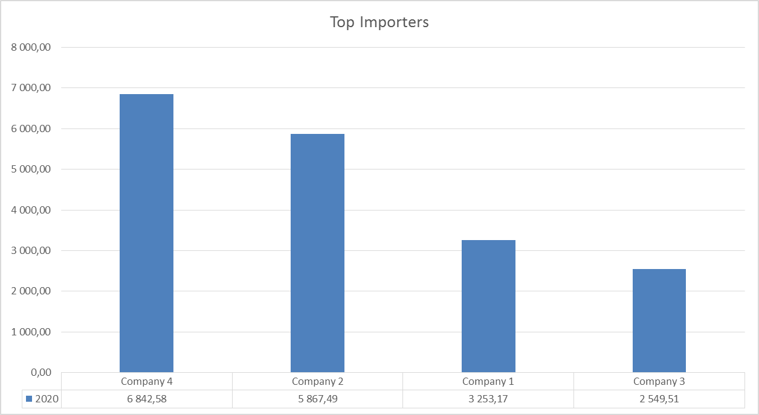
Sum of Net weight in t | Date
Importer | ian | feb | mar | apr | mai | iun | iul | Grand Total
Company 4 | 839.08 | 2,032.93 | 2,801.92 | 298.63 | 109.85 | 183.20 | 576.98 | 6,842.58
Company 2 | 715.51 | 1,872.46 | 212.29 | 84.14 | 492.65 | 723.88 | 1,766.56 | 5,867.49
Company 1 | 894.24 | 176.17 | 105.32 | 255.00 | 536.76 | 475.55 | 810.13 | 3,253.17
Company 3 | 83.53 | 750.94 | 46.57 | 731.58 | 256.75 | 343.40 | 336.73 | 2,549.51
Grand Total | 2,532.36 | 4,832.50 | 3,166.09 | 1,369.35 | 1,396.02 | 1,726.03 | 3,490.40 | 18,512.75

6
Summary
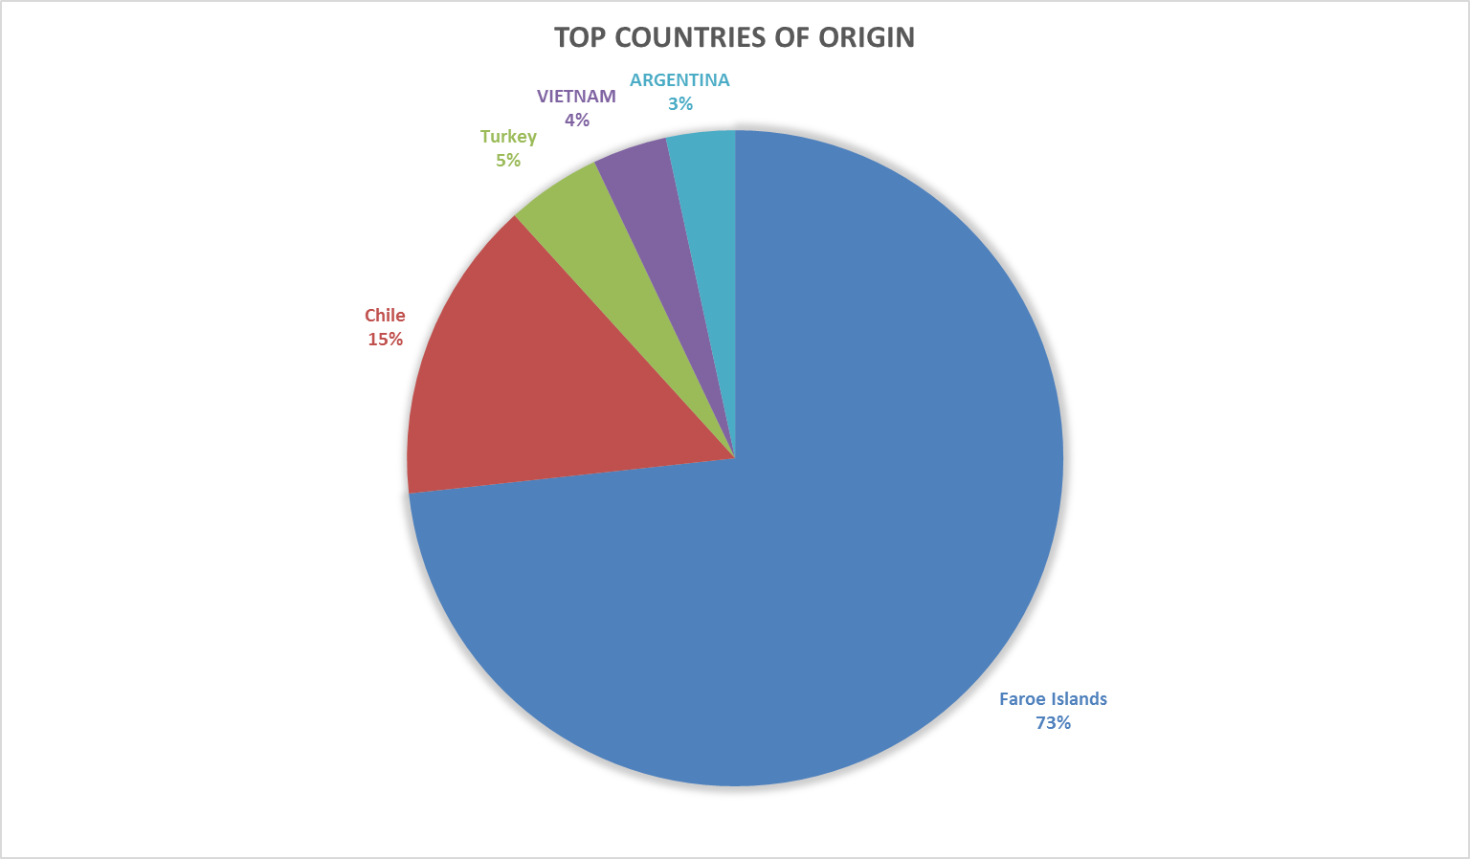
Sum of Net weight in t |  | Date
Country of Origin | Importer | ian | feb | mar | apr | mai | iun | iul | Grand Total
Faroe islands | Company 4 | 811.19 | 2,032.93 | 2,801.92 | 298.63 |  | 162.61 | 537.60 | 6,644.88
 | Company 2 | 581.62 | 1,833.86 | 107.88 |  |  | 485.26 | 1,312.83 | 4,321.46
 | Company 1 | 729.63 |  |  |  |  |  | 377.41 | 1,107.04
 | Company 3 |  | 750.94 |  |  |  |  | 336.73 | 1,087.67
Faroe islands Total |  | 2,122.45 | 4,617.73 | 2,909.80 | 298.63 |  | 647.87 | 2,564.57 | 13,161.04
Chile | Company 2 | 133.89 | 38.60 | 104.40 | 84.14 | 492.65 | 238.62 | 340.30 | 1,432.61
 | Company 1 | 61.20 |  |  |  | 223.44 | 164.13 | 240.45 | 689.22
 | Company 3 | 83.53 |  | 19.69 |  | 202.43 | 121.38 |  | 427.03
 | Company 4 |  |  |  |  | 82.73 | 20.59 | 39.38 | 142.70
Chile Total |  | 278.62 | 38.60 | 124.09 | 84.14 | 1,001.26 | 544.72 | 620.13 | 2,691.56
Turkey | Company 1 | 103.41 | 91.98 | 105.32 | 69.61 | 126.46 | 204.50 | 136.40 | 837.69
Turkey Total |  | 103.41 | 91.98 | 105.32 | 69.61 | 126.46 | 204.50 | 136.40 | 837.69
VIETNAM | Company 1 |  |  |  | 131.25 | 131.31 | 78.75 |  | 341.31
 | Company 3 |  |  |  | 95.71 |  | 222.02 |  | 317.74
VIETNAM Total |  |  |  |  | 226.96 | 131.31 | 300.77 |  | 659.05
ARGENTINA | Company 1 |  | 84.19 |  | 54.14 | 55.55 | 28.17 | 55.87 | 277.92
 | Company 3 |  |  | 26.88 | 81.83 | 54.32 |  |  | 163.03
 | Company 2 |  |  |  |  |  |  | 113.43 | 113.43
 | Company 4 | 27.88 |  |  |  | 27.12 |  |  | 55.00
ARGENTINA Total |  | 27.88 | 84.19 | 26.88 | 135.97 | 136.99 | 28.17 | 169.30 | 609.38
CHINA | Company 3 |  |  |  | 554.04 |  |  |  | 554.04
CHINA Total |  |  |  |  | 554.04 |  |  |  | 554.04
Grand Total |  | 2,532.36 | 4,832.50 | 3,166.09 | 1,369.35 | 1,396.02 | 1,726.03 | 3,490.40 | 18,512.75

9
Summary
Weight, kg
 | 2020
January | 39,764.04
February | 38,372.93
March | 30,904.51
April | 28,786.34
May | 24,964.13
June | 20,531.47
July | 22,685.67
August
September
October
November
December
 | 2020
Month | Weight, t | Value, USD | Avr. Price USD/KG
January | 39,764.04 | 128,385,217.38 | 3.23
February | 38,372.93 | 110,926,294.80 | 2.89
March | 30,904.51 | 107,014,487.12 | 3.46
SAMPLE
April | 28,786.34 | 98,401,784.20 | 3.42
May | 24,964.13 | 97,306,818.92 | 3.90
June | 20,531.47 | 76,359,606.60 | 3.72
July | 22,685.67 | 75,707,490.71 | 3.34
August
September
October
November
December
Grand Total | 206,009.09 | 694,101,699.73 | 3.37

Value, USD
 | 2020
January | 128,385,217.38
February | 110,926,294.80
March | 107,014,487.12
April | 98,401,784.20
May | 97,306,818.92
June | 76,359,606.60
July | 75,707,490.71
August
September
October
November
December
AVG, USD/kg
 | 2020
January | 3.23
February | 2.89
March | 3.46
April | 3.42
May | 3.90
June | 3.72
July | 3.34
August
September
October
November
December

