Summary
Market Report on Import to Kazakhstan. SAMPLE 2019
Page | Summary
1 | Importers by Quantity
2 | Imports by Type of Product
3 | Importers by Type of Product
4 | Type of Product by Importer
5 | Country of Origin by Importer
6 | Country of OriginSender/Importer
7 | Imports by Day

1
Summary
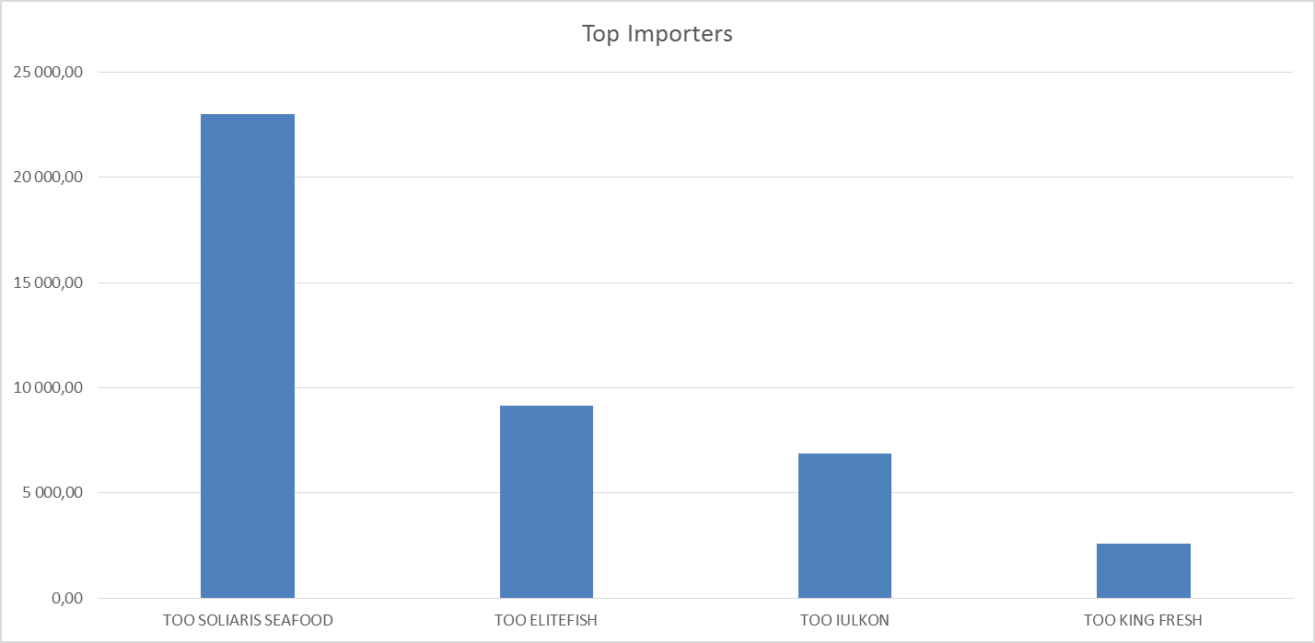
Sum of Weight net, kg | Month
Importer | Jan | Feb | Mar | May | Jun | Jul | Grand Total
TOO SOLIARIS SEAFOOD | 23,000.00 |  |  |  |  |  | 23,000.00
TOO ELITEFISH | 9,140.00 |  |  |  |  |  | 9,140.00
TOO IULKON |  |  | 6,858.67 |  |  |  | 6,858.67
TOO KING FRESH |  | 540.46 |  | 1,158.90 | 650.68 | 220.00 | 2,570.04
Grand Total | 32,140.00 | 540.46 | 6,858.67 | 1,158.90 | 650.68 | 220.00 | 41,568.71

5
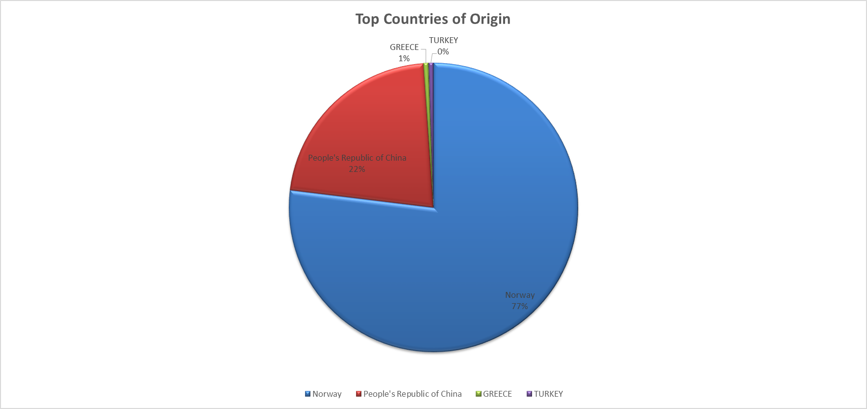
Summary

Sum of Weight net, kg |  | Month
Country of Origin | Importer | Jan | Feb | Mar | May | Jun | Jul | Grand Total
Norway | TOO SOLIARIS SEAFOOD | 23,000.00 |  |  |  |  |  | 23,000.00
 | TOO IULKON |  |  | 6,858.67 |  |  |  | 6,858.67
 | TOO KING FRESH |  | 540.46 |  | 1,158.90 | 420.68 |  | 2,120.04
Norway Total |  | 23,000.00 | 540.46 | 6,858.67 | 1,158.90 | 420.68 |  | 31,978.71
People's Republic of China | TOO ELITEFISH | 9,140.00 |  |  |  |  |  | 9,140.00
People's Republic of China Total |  | 9,140.00 |  |  |  |  |  | 9,140.00
GREECE | TOO KING FRESH |  |  |  |  | 230.00 |  | 230.00
GREECE Total |  |  |  |  |  | 230.00 |  | 230.00
TURKEY | TOO KING FRESH |  |  |  |  |  | 220.00 | 220.00
TURKEY Total |  |  |  |  |  |  | 220.00 | 220.00
Grand Total |  | 32,140.00 | 540.46 | 6,858.67 | 1,158.90 | 650.68 | 220.00 | 41,568.71

