Summary
Market Report on Imports to Indonesia
SAMPLE 2019
Page | Summary
1 | Importers by Quantity
2 | Importers by type of Product
3 | Type of Product by Importer
4 | Importer by Country of Origin
5 | Country of Origin, Sender, Recipient
6 | Country of Origin, Recipient, Sender
7 | Imports by Day

web | www.smart-inform.com

4
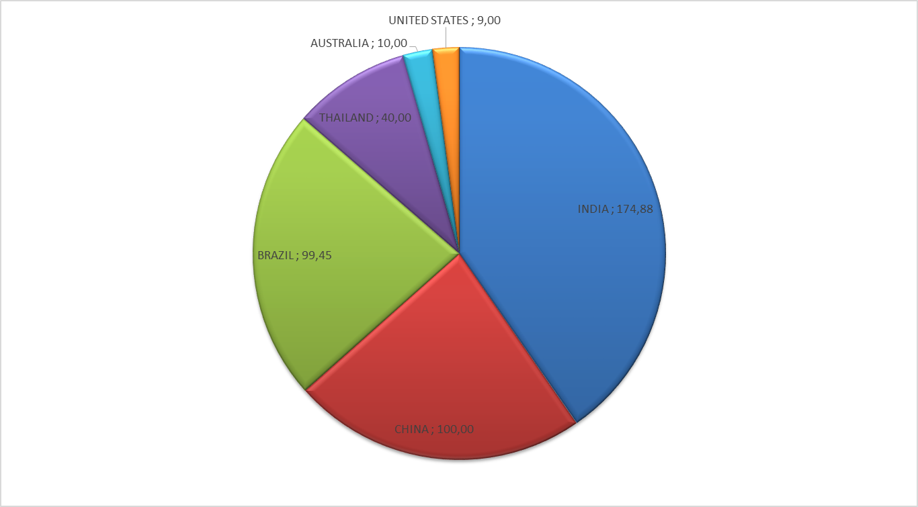
Summary

Sum of NET-WEIGHT [T] |  | Month
ORIGIN COUNTRY | IMPORTER | JANUARY--2019 | FEBRUARY--2019 | MARCH--2019 | APRIL--2019 | MAY--2019 | JUNE--2019 | JULY--2019 | AUGUST--2019 | SEPTEMBER--2019 | OCTOBER--2019 | NOVEMBER--2019 | DECEMBER--2019 | Grand Total (T)
INDIA | PT. DARYA-VARIA LABORATORIA TBK. |  |  | 10.00 | 10.00 | 35.00 | 39.98 |  |  |  | 19.98 |  |  | 114.96
 | PT. CAPSUGEL INDONESIA |  |  |  |  |  |  |  |  | 19.94 |  | 30.00 |  | 49.94
 | PT MEGASETIA AGUNG KIMIA |  |  |  |  |  |  |  |  | 9.98 |  |  |  | 9.98
INDIA Total |  |  |  | 10.00 | 10.00 | 35.00 | 39.98 |  |  | 29.92 | 19.98 | 30.00 |  | 174.88
CHINA | PT MEGASETIA AGUNG KIMIA |  |  |  |  |  |  | 80.00 | 20.00 |  |  |  |  | 100.00
CHINA Total |  |  |  |  |  |  |  | 80.00 | 20.00 |  |  |  |  | 100.00
BRAZIL | PT.YUPI INDO JELLY GUM | 25.00 | 24.45 |  | 25.00 |  |  | 25.00 |  |  |  |  |  | 99.45
BRAZIL Total |  | 25.00 | 24.45 |  | 25.00 |  |  | 25.00 |  |  |  |  |  | 99.45
THAILAND | PT. GALA LAKSANA KREASI |  |  | 10.00 |  |  |  |  |  |  | 10.00 |  | 20.00 | 40.00
THAILAND Total |  |  |  | 10.00 |  |  |  |  |  |  | 10.00 |  | 20.00 | 40.00
AUSTRALIA | PT. NARDEVCHEM KEMINDO | 10.00 |  |  |  |  |  |  |  |  |  |  |  | 10.00
AUSTRALIA Total |  | 10.00 |  |  |  |  |  |  |  |  |  |  |  | 10.00
UNITED STATES | PT. CAPSUGEL INDONESIA |  |  |  |  |  |  |  | 9.00 |  |  |  |  | 9.00
UNITED STATES Total |  |  |  |  |  |  |  |  | 9.00 |  |  |  |  | 9.00
Grand Total (T) |  | 35.00 | 24.45 | 20.00 | 35.00 | 35.00 | 39.98 | 105.00 | 29.00 | 29.92 | 29.98 | 30.00 | 20.00 | 433.33

